Histogram
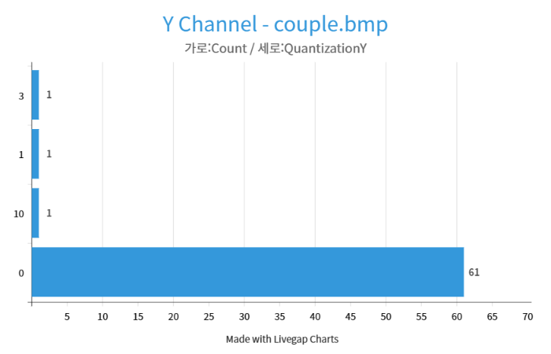
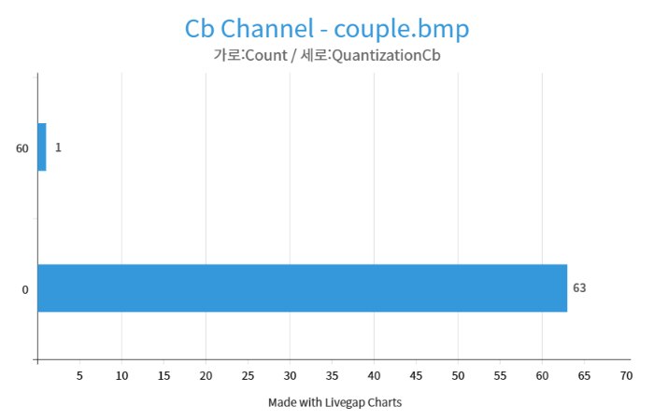

 | 0 | 10 | 1 | 3 |  | 0 | 60 |  | 0 | 61
Count | 61 | 1 | 1 |  | Count | 63 | 1 | Count | 63 | 1

